SchSE
Schedule SE |  |  | Self-Employment Tax |  |  |  | 2018 |  | Instructions
(Form 1040) |  |  |  |  |  | Form Status: | Activated
Name of person with self-employment income (as shown on Form 1040 or Form 1040NR) |  |  |  |  |  |  | SSN

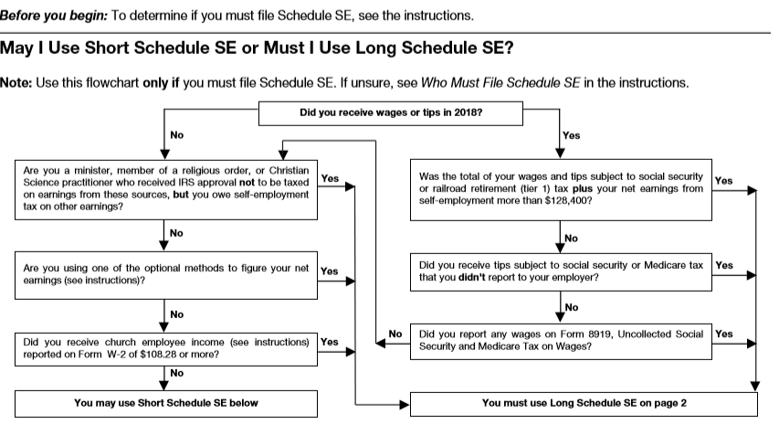

Using Short Schedule SE: |  | - |  | Using Long Schedule SE: | X

Section A—Short Schedule SE. Caution: Read above to see if you can use Short Schedule SE.
1a | Net farm profit or (loss) from Schedule F, line 34, and farm partnerships, Schedule K-1 |  |  |  |  |  | 1a | -
 | (Form 1065), box 14, code A
b | If you received social security retirement or disability benefits, enter the amount of Conservation |  |  |  |  |  | 1b | -
 | Reserve Program payments included on Schedule F, line 4b, or listed on Schedule K-1 box 20, code AH
2 | Net profit or (loss) from Sch C, line 31; Sch C-EZ, line 3; Sch K-1 (Form 1065), box 14, code A (other than |  |  |  |  |  | 2 | 1,563,741
 | farming); and Sch K-1 (Form 1065-B), box 9, code J1. Ministers and members of religious orders, see
 | instructions for types of income to report on this line. See instructions for other income to report
3 | Combine lines 1a, 1b, and 2 |  |  |  |  |  | 3 | 1,563,741
4 | Multiply line 3 by 92.35% (0.9235). If less than $400, you don't owe self-employment tax; don't file this |  |  |  |  |  | 4 | 1,444,115
 | schedule unless you have an amount on line 1b
 | Note: If line 4 is less than $400 due to Conservation Reserve Program pmts on line 1b, see instructions
5 | Self-employment tax. If the amount on line 4 is: |  |  |  |  |  | 5 | 57,801
 | • $128,400 or less, multiply line 4 by 15.3% (0.153). Enter the result here and on Sch 4 (Form 1040),
 | line 57, or Form 1040NR, line 55
 | • More than $128,400, multiply line 4 by 2.9% (0.029). Then, add $15,921.60 to the result. Enter the
 | total here and on Schedule 4 (Form 1040), line 57, or Form 1040NR, line 55
6 | Deduction for 1/2 of self-employment tax. Multiply line 5 by 50% (0.50). |  |  |  | 6 | 28,900
 | Enter result here and on Sch 1 (Form 1040), line 27, or Form 1040NR, line 27
Section B—Long Schedule SE.
Part I | Self-Employment Tax
Note: If your only income subject to self-employment tax is church employee income, see instructions. Also
see instructions for the definition of church employee income.
A | If you are a minister, member of a religious order, or Christian Science practitioner and you filed Form 4361, but you had
 | $400 or more of other net earnings from self-employment, check here and continue with Part I . . . . . . ▶ |  |  |  |  |  |  | -
1a | Net farm profit or (loss) from Schedule F, line 34, and farm partnerships, Schedule K-1 (Form 1065), |  |  |  |  |  | 1a | -
 | box 14, code A. Note: Skip lines 1a and 1b if you use the farm optional method (see instructions)
b | If you received social security retirement/disability benefits, enter the amount of Conservation Reserve |  |  |  |  |  | 1a | -
 | Program payments included on Sch F, line 4b, or listed on Sch K-1 (Form 1065), box 20, code AH
2 | Net profit or (loss) from Schedule C, line 31; Schedule C-EZ, line 3; Schedule K-1 (Form 1065), |  |  |  |  |  | 2 | 320,125
 | box 14, code A (other than farming); and Schedule K-1 (Form 1065-B), box 9, code J1. Ministers and
 | members of religious orders, see instructions for types of income to report on this line. See instructions
 | for other income to report . . . . . . . . . . . . . .
3 | Combine lines 1a, 1b, and 2 . . . . . . . . . . . . . . . . . . . . . |  |  |  |  |  | 3 | 320,125
4a | If line 3 is more than zero, multiply line 3 by 92.35% (0.9235). Otherwise, enter amount from line 3 |  |  |  |  |  | 4a | 295,635
 | Note: If line 4a is less than $400 due to Conservation Reserve Program payments on line 1b, see instructions.
4b | If you elect one or both of the optional methods, enter the total of lines 15 and 17 here.. |  |  |  |  |  | 4b | -
c | Combine lines 4a and 4b. If less than $400, stop; you don't owe self-employment tax. |  |  |  |  |  | 4c | 295,635
 | Exception: If less than $400 and you had church employee income, enter -0- and continue ▶
5a | Enter your church employee income from Form W-2. |  |  |  | 5a
 | See instructions for definition of church employee income...
b | Multiply line 5a by 92.35% (0.9235). If less than $100, enter -0-.......... |  |  |  |  |  | 5b | -
6 | Add lines 4c and 5b........................ |  |  |  |  |  | 6 | 295,635
7 | Maximum amount of combined wages and self-employment earnings subject to social security tax |  |  |  |  |  | 7 | 128,400
 | or the 6.2% portion of the 7.65% railroad retirement (tier 1) tax for 2018......
8a | Total social security wages and tips (total of boxes 3 and 7 on Form(s) W-2) |  |  |  | 8a | 128,400
 | and railroad retirement (tier 1) compensation. If $128,400 or more, skip lines
 | 8b through 10, and go to line 11
b | Unreported tips subject to social security tax (from Form 4137, line 10) |  |  |  | 8b
c | Wages subject to social security tax (from Form 8919, line 10 |  |  |  | 8c
d | Add lines 8a, 8b, and 8c |  |  |  |  |  | 8d | 128,400
9 | Subtract line 8d from line 7. If zero or less, enter -0- here and on line 10 and go to line 11 |  |  |  |  |  | 9 | -
10 | Multiply the smaller of line 6 or line 9 by 12.4% (0.124)............. |  |  |  |  |  | 10 | -
11 | Multiply line 6 by 2.9% (0.029)..................... |  |  |  |  |  | 11 | 8,573
12 | Self-employment tax. Add lines 10 and 11. Enter here and on Schedule 4 (Form 1040), line 57, |  |  |  |  |  | 12 | 8,573
 | or Form 1040NR, line 55.....................
13 | Deduction for one-half of self-employment tax.
 | Multiply line 12 by 50% (0.50). Enter the result here and on Schedule 1 (Form 1040), line 27,
 | or Form 1040NR, line 27 . |  |  |  | 13 | 4,287
Part II | Optional Methods to Figure Net Earnings (see instructions)
Farm Optional Method. You may use this method only if (a) your gross farm income1
wasn't more than $7,920, or (b) your net farm profits2 were less than $5,717.
14 | Maximum income for optional methods.................. |  |  |  |  |  | 14
15 | Enter the smaller of: two-thirds (2/3) of gross farm income1 (not less than zero) or $5,280. |  |  |  |  |  | 15
 | Also include this amount on line 4b above...................
Nonfarm Optional Method. You may use this method only if (a) your net nonfarm profits3 were less than $5,717
and also less than 72.189% of your gross nonfarm income,4 and (b) you had net earnings from self-employment
of at least $400 in 2 of the prior 3 years. Caution: You may use this method no more than five times.
16 | Subtract line 15 from line 14...................... |  |  |  |  |  | 16
17 | Enter the smaller of: two-thirds (2/3) of gross nonfarm income4 (not less than zero) or the |  |  |  |  |  | 17
 | amount on line 16. Also include this amount on line 4b above...........
 |  |  |  |  | Schedule SE (Form 1040) |  |  | 2018

